color toolbox
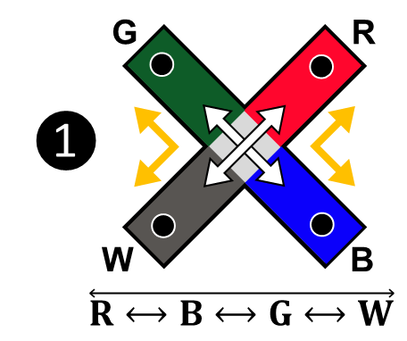
 |  |  |  |  |  | Enter sequence in lower case below
study | mode | testing day | mouse | sex | group | color sequence | entries | % alternation | mouse |  | red | blue | green | white |  | r↔b | r↔g | r↔w | b↔g | b↔w | g↔w | mouse |  | r→b | r→g | r→w | b→r | b→g | b→w | g→r | g→b | g→w | w→r | w→b | w→g | mouse | 4-arm sequences |  | 4-arm alternation | 3-arm alternation | 2/3-arm alternation | 2-arm alternation | mouse | 4-arm alternations |  | Path ❶ | Path ❷ | Path ❸
color | RH | 2021-05-04 | M1 | M | wt | wrbwgrgrwrbgrwbgrgwbr | 20 | 50.0 | M1 | % entries | 35.0 | 20.0 | 25.0 | 20.0 | % bidirectional transitions | 15.0 | 30.0 | 20.0 | 10.0 | 15.0 | 10.0 | M1 | % unidirectional transitions | 10.0 | 10.0 | 10.0 | 5.0 | 10.0 | 5.0 | 20.0 | 0.0 | 5.0 | 10.0 | 10.0 | 5.0 | M1 | 18 | 4-arm sequence type | 50.0 | 11.1 | 33.3 | 5.6 | M1 | 9 | % alternation path | 11.1 | 44.4 | 44.4

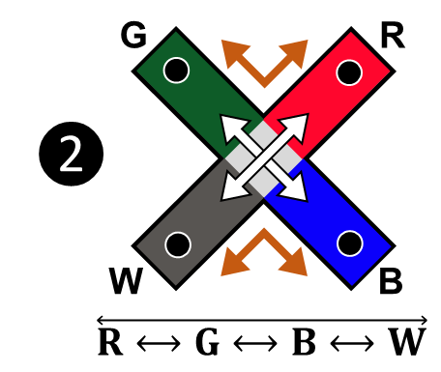

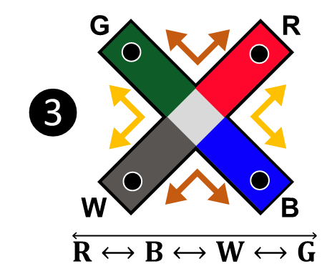

contrast toolbox
 |  |  |  |  |  | Enter sequence in lower case below
study | mode | testing day | mouse | sex | group | contrast sequence | entries | % alternation | mouse |  | clear | black | grey | white |  | c↔b | c↔g | c↔w | b↔g | b↔w | g↔w | mouse |  | c→b | c→g | c→w | b→c | b→g | b→w | g→c | g→b | g→w | w→c | w→b | w→g | mouse | 4-arm sequences |  | 4-arm alternation | 3-arm alternation | 2/3-arm alternation | 2-arm alternation | mouse | 4-arm alternations |  | Path ❶ | Path ❷ | Path ❸
 |  |  | M1 |  |  | wcbwgcgcwcbgcwbgcgwbc | 20 | 50.0 | M1 | % entries | 35.0 | 20.0 | 25.0 | 20.0 | % bidirectional transitions | 15.0 | 30.0 | 20.0 | 10.0 | 15.0 | 10.0 | M1 | % unidirectional transitions | 10.0 | 10.0 | 10.0 | 5.0 | 10.0 | 5.0 | 20.0 | 0.0 | 5.0 | 10.0 | 10.0 | 5.0 | M1 | 18 | 4-arm sequence type | 50.0 | 11.1 | 33.3 | 5.6 | M1 | 9 | % alternation path | 44.4 | 44.4 | 11.1

